Specification
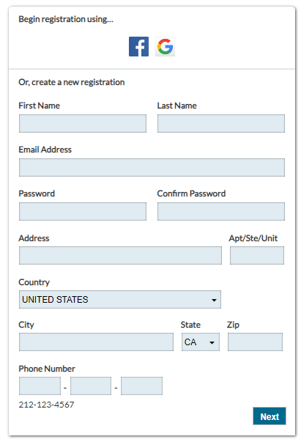
Website address:
https://nfar.rallybound.org/replicated/Account/Register

